COMPX HOLD BUY Sheet
Click To Go To KASTLINE FIBERGLASS
T-Wall (Pusher Holds) |  |  | Ship to: |  | CUSTOMER NAME: |  |  |  |  | EMAIL back to: |  |  | holds@t-wall.org
ORDER FORM |  |  |  |  | ADDRESS LINE 1: |  |  |  |  |  | HOW TO COMPLETE THIS ORDER FORM:
Contact: |  |  |  |  | ADDRESS LINE 2: |  |  |  |  |  |  | HOLDS: | Type the Number of Sets you Want into the Cell that corresponds to
Click To Go To SUMMARY
Position: |  |  |  |  | CITY: |  |  |  |  |  |  |  | COLOR you want that aligns with the Set Style and Type of Hold
P.O. #: |  |  |  |  | STATE/PROVINCE/REGION: |  |  |  |  |  |  | PU HOLDS: | Go to KASTLINE PU HOLD BUY Sheet and enter following the instructions
MY EMAIL: |  |  |  |  | ZIP/POSTAL CODE: |  |  | COUNTRY: |  |  |  | VOLUMES: | Go to KASTLINE FIBERGLASS BUY Sheet and enter following the instructions
 |  |  |  |  | PHONE NUMBER: |  |  |  |  |  |  |  | THEN, TYPE IN YOUR NAME AND 'SHIP TO' INFORMATION. EMAIL IT TO US.
ID # | RANGE DESCRIPTION | Set Name |  | Sub- Set |  | No. Holds / Set | Set Order Qty. | Unit RETAIL /Set EUR | EXTENDED RETAIL AMOUNT |  | RED | BLACK | SKY BLUE | ORANGE US 14-01 | FLUORO ORANGE | GREEN US 16-09 | GREEN 16-16 | FLUORO GREEN | PURPLE US 07-13 | SIGNAL VIOLET | BRIGHT YELLOW | WHITE | FLUORO PINK

5948 | DT Joe`s Valley | Screw-Ons |  | 1 |  | 10 | 0 | 104.54 € | € 0.00
7022 | DT Joe`s Valley | Screw-Ons |  | 2 |  | 10 | 0 | 114.13 € | € 0.00
5861 | DT Joe`s Valley | Crimp Set |  | 1 |  | 5 | 0 | 114.13 € | € 0.00
5858 | DT Joe`s Valley | Crimp Set |  | 2 |  | 5 | 0 | 167.84 € | € 0.00
5928 | DT Joe`s Valley | Crimp Set |  | 3 |  | 5 | 0 | 114.13 € | € 0.00
7021 | DT Joe`s Valley | Crimp Set |  | 4 |  | 7 | 0 | 229.22 € | € 0.00
5927 | DT Joe`s Valley | Crimp Pockets |  |  |  | 6 | 0 | 234.98 € | € 0.00
5932 | DT Joe`s Valley | 2 finger pockets |  |  |  | 5 | 0 | 141.95 € | € 0.00
5860 | DT Joe`s Valley | Large Pockets |  |  |  | 7 | 0 | 469.96 € | € 0.00
5386 | DT Joe`s Valley | Large Pinch |  | 1 |  | 5 | 0 | 340.48 € | € 0.00
7018 | DT Joe`s Valley | Incuts |  | 1 |  | 5 | 0 | 225.39 € | € 0.00
7019 | DT Joe`s Valley | Incuts |  | 2 |  | 5 | 0 | 286.77 € | € 0.00
7020 | DT Joe`s Valley | Incuts |  | 3 |  | 5 | 0 | 248.41 € | € 0.00
7016 | DT Joe`s Valley | Baby Boss |  |  |  | 2 | 0 | 200.45 € | € 0.00
7017 | DT Joe`s Valley | XL Rail |  |  |  | 1 | 0 | 114.13 € | € 0.00
6919 | Joe's Valley | Jibs |  | 1 |  | 15 | 0 | 110.30 € | € 0.00
6913 | Joe's Valley | Screw-Ons |  | 1 |  | 5 | 0 | 56.59 € | € 0.00
6914 | Joe's Valley | Screw-Ons |  | 2 |  | 5 | 0 | 56.59 € | € 0.00
6915 | Joe's Valley | Screw-Ons |  | 3 |  | 5 | 0 | 51.79 € | € 0.00
6916 | Joe's Valley | Screw-Ons |  | 4 |  | 5 | 0 | 57.55 € | € 0.00
6909 | Joe's Valley | Medium Pinch |  | 1 |  | 5 | 0 | 85.36 € | € 0.00
6906 | Joe's Valley | Large Pinch |  | 1 |  | 3 | 0 | 190.86 € | € 0.00
5969 | Sticky Cobble | Jibs |  |  |  | 20 | 0 | 85.36 € | € 0.00
5935 | Sticky Cobble | Feet |  |  |  | 20 | 0 | 123.72 € | € 0.00
5936 | Sticky Cobble | Set 1 |  |  |  | 10 | 0 | 152.50 € | € 0.00
6007 | Sticky Cobble | Set 2 |  |  |  | 10 | 0 | 104.54 € | € 0.00
5970 | Sticky Cobble | Set 3 |  |  |  | 10 | 0 | 147.70 € | € 0.00
5968 | Sticky Cobble | Set 4 |  |  |  | 5 | 0 | 147.70 € | € 0.00
6008 | Sticky Cobble | Set 5 |  |  |  | 5 | 0 | 229.22 € | € 0.00
6319 | Sticky Cobble | Set 6 |  |  |  | 5 | 0 | 219.63 € | € 0.00
5976 | Sticky Cobble | Set 7 |  |  |  | 5 | 0 | 277.18 € | € 0.00
6320 | Sticky Cobble | Set 8 |  |  |  | 5 | 0 | 287.73 € | € 0.00
6006 | Sticky Cobble | Set 9 |  |  |  | 5 | 0 | 248.41 € | € 0.00
5975 | Sticky Cobble | Set 10 |  |  |  | 5 | 0 | 263.75 € | € 0.00
6321 | Sticky | Tri-Cobble |  |  |  | 1 | 0 | 76.73 € | € 0.00
7010 | DT Woodie | Set 1 |  |  |  | 10 | 0 | 94.95 € | € 0.00
7011 | DT Woodie | Set 2 |  |  |  | 10 | 0 | 206.21 € | € 0.00
7081 | DT Woodie | Set 3 |  |  |  | 10 | 0 | 75.77 € | € 0.00
6213 | Woodie | Set 1 |  |  |  | 10 | 0 | 162.09 € | € 0.00
6214 | Woodie | Set 2 |  |  |  | 10 | 0 | 142.91 € | € 0.00
6215 | Woodie | Set 3 |  |  |  | 10 | 0 | 171.68 € | € 0.00
6222 | Woodie | Set 4 |  |  |  | 10 | 0 | 229.22 € | € 0.00
6900 | Woodie | Set 5 |  |  |  | 5 | 0 | 85.36 € | € 0.00
6904 | Woodie | Set 6 |  |  |  | 5 | 0 | 56.59 € | € 0.00
6901 | Woodie | Set 7 |  |  |  | 5 | 0 | 51.79 € | € 0.00
6898 | Woodie | Set 8 |  |  |  | 5 | 0 | 56.59 € | € 0.00
6896 | Woodie | Set 9 |  |  |  | 5 | 0 | 51.79 € | € 0.00
6894 | Woodie | Set 10 |  |  |  | 10 | 0 | 71.93 € | € 0.00
6905 | Woodie | Set 11 |  |  |  | 5 | 0 | 66.18 € | € 0.00
6893 | Woodie | Set 12 |  |  |  | 5 | 0 | 56.59 € | € 0.00
6899 | Woodie | Set 13 |  |  |  | 5 | 0 | 41.24 € | € 0.00
6897 | Woodie | Set 14 |  |  |  | 5 | 0 | 47.00 € | € 0.00
6895 | Woodie | Set 15 |  |  |  | 5 | 0 | 41.24 € | € 0.00
6903 | Woodie | Set 16 |  |  |  | 5 | 0 | 119.89 € | € 0.00
6902 | Woodie | Set 17 |  |  |  | 5 | 0 | 114.13 € | € 0.00
6908 | Woodie | Set 18 |  |  |  | 5 | 0 | 321.30 € | € 0.00
6920 | Woodie | Set 19 |  |  |  | 5 | 0 | 66.18 € | € 0.00
6921 | Woodie | Set 20 |  |  |  | 5 | 0 | 74.81 € | € 0.00
6922 | Woodie | Set 21 |  |  |  | 5 | 0 | 75.77 € | € 0.00
6432 | Bertha | Set 1 |  |  |  | 5 | 0 | 302.12 € | € 0.00
6430 | Bertha | Set 2 |  |  |  | 5 | 0 | 325.13 € | € 0.00
5859 | Font | Retro |  |  |  | 10 | 0 | 440.23 € | € 0.00
5931 | Font | Classic |  |  |  | 10 | 0 | 455.57 € | € 0.00
5937 | Font | Set 1 |  |  |  | 10 | 0 | 401.86 € | € 0.00
6001 | Font | Set 2 |  |  |  | 5 | 0 | 325.13 € | € 0.00
6002 | Font | Set 3 |  |  |  | 5 | 0 | 335.69 € | € 0.00
6229 | Font | Set 4 |  |  |  | 5 | 0 | 473.80 € | € 0.00
6227 | Font | Set 5 |  |  |  | 5 | 0 | 411.45 € | € 0.00
6228 | Font | Set 6 |  |  |  | 5 | 0 | 373.09 € | € 0.00
6223 | Font | Set 7 |  |  |  | 5 | 0 | 469.00 € | € 0.00
6431 | Font | Set 8 |  |  |  | 5 | 0 | 267.59 € | € 0.00
6429 | Font | Set 9 |  |  |  | 3 | 0 | 334.73 € | € 0.00
6910 | FONT | Volume 4 |  |  |  | 1 | 0 | 421.04 € | € 0.00
6890 | FONT | Volume 5 |  |  |  | 1 | 0 | 407.62 € | € 0.00
6891 | FONT | Volume 6 |  |  |  | 1 | 0 | 373.09 € | € 0.00
6892 | FONT | Volume 7 |  |  |  | 1 | 0 | 315.54 € | € 0.00
6003 | Hueco | Classic Hueco Crimps |  |  |  | 7 | 0 | 104.54 € | € 0.00
6219 | Granite | JIBS |  | 1 |  | 10 | 0 | 81.52 € | € 0.00
6218 | Granite | BLOCKERS |  | 1 |  | 8 | 0 | 104.54 € | € 0.00
5934 | Granite | XL SPIKE |  |  |  | 1 | 0 | 187.02 € | € 0.00
5933 | Granite | Small Positives |  |  |  | 10 | 0 | 114.13 € | € 0.00
5857 | Granite | Classic Medium |  |  |  | 5 | 0 | 162.09 € | € 0.00
5930 | Granite | Classic Large |  |  |  | 5 | 0 | 286.77 € | € 0.00
5929 | Granite | Classic Small |  |  |  | 15 | 0 | 219.63 € | € 0.00
5926 | Granite | Medium Patina Crimp |  | 1 |  | 5 | 0 | 114.13 € | € 0.00
6217 | Granite | Medium Pinch |  |  |  | 10 | 0 | 229.22 € | € 0.00
6216 | Granite | Large Pinch |  |  |  | 6 | 0 | 286.77 € | € 0.00
6220 | Granite | JUGS |  | 1 |  | 8 | 0 | 248.41 € | € 0.00
6224 | Granite | XXL WAVE |  |  |  | 1 | 0 | 238.82 € | € 0.00
6225 | Granite | XL Baby Boss |  |  |  | 1 | 0 | 142.91 € | € 0.00
6226 | Granite | XL Chicken Heads |  |  |  | 4 | 0 | 526.55 € | € 0.00
6005 | Granite | Large DOUBLES |  |  |  | 5 | 0 | 234.98 € | € 0.00
6428 | Granite | SPLITS |  |  |  | 6 | 0 | 334.73 € | € 0.00
6004 | Granite | Small EDGES |  |  |  | 10 | 0 | 141.95 € | € 0.00
6221 | Granite | XL EDGES |  |  |  | 4 | 0 | 244.57 € | € 0.00
6230 | Granite | XXL LEDGE |  |  |  | 1 | 0 | 334.73 € | € 0.00
6231 | Granite | XXL RAILS |  |  |  | 4 | 0 | 493.94 € | € 0.00
6322 | Granite | M. Patina Crimp |  | 2 |  | 5 | 0 | 133.31 € | € 0.00
8572 | Granite | Screw-ons #01 |  |  |  | 9 | 0 | 46.04 € | € 0.00
8573 | Granite | Screw-ons #02 |  |  |  | 5 | 0 | 35.49 € | € 0.00
8574 | Granite | Screw-ons #03 |  |  |  | 5 | 0 | 41.24 € | € 0.00
8575 | Granite | Screw-ons #04 |  |  |  | 5 | 0 | 42.20 € | € 0.00
8576 | Granite | Screw-ons #05 |  |  |  | 5 | 0 | 50.83 € | € 0.00
8577 | Granite | Screw-ons #06 |  |  |  | 5 | 0 | 47.00 € | € 0.00
8578 | Granite | Screw-ons #07 |  |  |  | 5 | 0 | 48.91 € | € 0.00
8579 | Granite | Screw-ons #08 |  |  |  | 5 | 0 | 52.75 € | € 0.00
8580 | Granite | Screw-ons #09 |  |  |  | 5 | 0 | 57.55 € | € 0.00
8581 | Granite | Screw-ons #10 |  |  |  | 5 | 0 | 65.22 € | € 0.00
8582 | Granite | Screw-ons #11 |  |  |  | 5 | 0 | 66.18 € | € 0.00
8583 | Granite | Screw-ons #12 |  |  |  | 5 | 0 | 81.52 € | € 0.00
8584 | Granite | Screw-ons #13 |  |  |  | 5 | 0 | 82.48 € | € 0.00
8585 | Granite | Screw-ons #14 |  |  |  | 5 | 0 | 84.40 € | € 0.00
8586 | Granite | Screw-ons #15 |  |  |  | 5 | 0 | 73.85 € | € 0.00
8587 | Granite | Screw-ons #16 |  |  |  | 5 | 0 | 117.01 € | € 0.00
8588 | Granite | Screw-ons #17 |  |  |  | 5 | 0 | 118.93 € | € 0.00
8589 | Granite | Screw-ons #18 |  |  |  | 5 | 0 | 155.37 € | € 0.00
6917 | Jibs | Set 1 |  |  |  | 5 | 0 | 23.98 € | € 0.00
6911 | Genesis | Set 1 |  |  |  | 3 | 0 | 334.73 € | € 0.00
6923 | Genesis | Set 2 |  |  |  | 5 | 0 | 85.36 € | € 0.00
6924 | Genesis | Set 3 |  |  |  | 5 | 0 | 85.36 € | € 0.00
6925 | Genesis | Set 4 |  |  |  | 5 | 0 | 66.18 € | € 0.00
6926 | Genesis | Set 5 |  |  |  | 5 | 0 | 76.73 € | € 0.00
6927 | Genesis | Set 6 |  |  |  | 5 | 0 | 71.93 € | € 0.00
6929 | Genesis | Set 8 |  |  |  | 5 | 0 | 56.59 € | € 0.00
6930 | Genesis | Set 9 |  |  |  | 5 | 0 | 52.75 € | € 0.00
7015 | OG Line | Chicken Heads |  |  |  | 5 | 0 | 119.89 € | € 0.00
7014 | OG Line | Pinches |  |  |  | 5 | 0 | 91.11 € | € 0.00
7013 | OG Line | Pockets |  | 1 |  | 4 | 0 | 66.18 € | € 0.00
7075 | OG Line | Pockets |  | 2 |  | 3 | 0 | 114.13 € | € 0.00
7023 | DT Board | Set 1 |  |  |  | 4 | 0 | 75.77 € | € 0.00
7024 | DT Board | Set 2 |  |  |  | 4 | 0 | 104.54 € | € 0.00
7025 | DT Board | Set 3 |  |  |  | 5 | 0 | 104.54 € | € 0.00
7026 | DT Board | Set 4 |  |  |  | 6 | 0 | 123.72 € | € 0.00
7027 | DT Board | Set 5 |  |  |  | 5 | 0 | 177.43 € | € 0.00
7028 | DT Board | Set 6 |  |  |  | 5 | 0 | 181.27 € | € 0.00
7029 | DT Board | Set 7 |  |  |  | 5 | 0 | 238.82 € | € 0.00
7076 | DT Smoothies | Set 1 |  |  |  | 5 | 0 | 94.95 € | € 0.00
7077 | DT Smoothies | Set 2 |  |  |  | 5 | 0 | 119.89 € | € 0.00
7078 | DT Smoothies | Set 3 |  |  |  | 5 | 0 | 171.68 € | € 0.00
7079 | DT Smoothies | Set 4 |  |  |  | 5 | 0 | 196.62 € | € 0.00
7080 | DT Smoothies | Set 5 |  |  |  | 4 | 0 | 306.91 € | € 0.00
7012 | DT Ben Hanna | Set 1 |  |  |  | 10 | 0 | 105.50 € | € 0.00
6907 | Sean Bailey | Set 1 |  |  |  | 6 | 0 | 344.32 € | € 0.00
6912 | Sean Bailey | Set 2 |  |  |  | 1 | 0 | 152.50 € | € 0.00
7030 | Power Junkie (PE) |  |  |  |  | 1 | 0 | 86.32 € | € 0.00
8373 | The Originals | The Boss (PE) |  |  |  | 1 | 0 | 119.89 € | € 0.00
8374 | The Originals | The Beast (PE) |  |  |  | 1 | 0 | 108.38 € | € 0.00
8375 | The Originals | The Baby Boss (PE) |  |  |  | 1 | 0 | 50.83 € | € 0.00
148 | SKUs
TOTAL ORDER QTY. and AMOUNT |  |  |  |  |  | 838 | 0 | € 0.00 | €- |  | 0 | 0 | 0 | 0 | 0 | 0 | 0 | 0 | 0 | 0 | 0 | 0 | 0

E-Z ORDER
TO ORDER COMPLETE HOLD CATALOGUE |  |  |  |  |  | (includes 148 sets, 838 holds) | 0 | € 25,334.64 | € 0.00
Send me 1 of each in Catalogue, all the same color, Times No. Ranges at K163 |  |  |  |  |  |  |  |  |  |  |  |  |  |  | 148 | 838

TO ORDER COMPLETE DT JOE'S VALLEY RANGE |  |  |  |  |  | (includes 15 sets, 83 holds) | 0 | € 3,106.51 | € 0.00
Send me 1 of each in range, all the same color per single set, Times No. Ranges at K166 |  |  |  |  |  |  |  |  |  |  |  |  |  |  | 15 | 83

TO ORDER COMPLETE JOE'S VALLEY RANGE |  |  |  |  |  | (includes 7 sets, 43 holds) | 0 | € 609.04 | € 0.00
Send me 1 of each in range, all the same color per single set, Times No. Ranges at K169 |  |  |  |  |  |  |  |  |  |  |  |  |  |  | 7 | 43

TO ORDER COMPLETE STICKY COBBLE RANGE |  |  |  |  |  | (includes 13 sets, 106 holds) | 0 | € 2,364.17 | € 0.00
Send me 1 of each in range, all the same color per single set, Times No. Ranges at K172 |  |  |  |  |  |  |  |  |  |  |  |  |  |  | 13 | 106

TO ORDER COMPLETE DT WOODIE RANGE |  |  |  |  |  | (includes 3 sets, 30 holds) | 0 | € 376.93 | € 0.00
Send me 1 of each in range, all the same color per single set, Times No. Ranges at K175 |  |  |  |  |  |  |  |  |  |  |  |  |  |  | 3 | 30

TO ORDER COMPLETE WOODIE RANGE |  |  |  |  |  | (includes 21 sets, 130 holds) | 0 | € 2,104.28 | € 0.00
Send me 1 of each in range, all the same color per single set, Times No. Ranges at K178 |  |  |  |  |  |  |  |  |  |  |  |  |  |  | 21 | 130

TO ORDER COMPLETE BERTHA RANGE |  |  |  |  |  | (includes 2 sets, 10 holds) | 0 | € 627.25 | € 0.00
Send me 1 of each in range, all the same color per single set, Times No. Ranges at K181 |  |  |  |  |  |  |  |  |  |  |  |  |  |  | 2 | 10

TO ORDER COMPLETE FONT RANGE |  |  |  |  |  | (includes 11 sets, 68 holds) | 0 | € 4,288.14 | € 0.00
Send me 1 of each in range, all the same color per single set, Times No. Ranges at K184 |  |  |  |  |  |  |  |  |  |  |  |  |  |  | 11 | 68

TO ORDER COMPLETE FONT VOLUME RANGE |  |  |  |  |  | (includes 4 sets, 4 holds) | 0 | € 1,517.29 | € 0.00
Send me 1 of each in range, all the same color per single set, Times No. Ranges at K187 |  |  |  |  |  |  |  |  |  |  |  |  |  |  | 4 | 4

TO ORDER COMPLETE GRANITE RANGE |  |  |  |  |  | (includes 39 sets, 218 holds) | 0 | € 6,127.69 | € 0.00
Send me 1 of each in range, all the same color per single set, Times No. Ranges at K190 |  |  |  |  |  |  |  |  |  |  |  |  |  |  | 39 | 218

TO ORDER COMPLETE GENESIS RANGE |  |  |  |  |  | (includes 8 sets, 38 holds) | 0 | € 829.63 | € 0.00
Send me 1 of each in range, all the same color per single set, Times No. Ranges at K193 |  |  |  |  |  |  |  |  |  |  |  |  |  |  | 8 | 38

TO ORDER COMPLETE OG LINE RANGE |  |  |  |  |  | (includes 4 sets, 17 holds) | 0 | € 391.31 | € 0.00
Send me 1 of each in range, all the same color per single set, Times No. Ranges at K196 |  |  |  |  |  |  |  |  |  |  |  |  |  |  | 4 | 17

TO ORDER COMPLETE DT BOARD RANGE |  |  |  |  |  | (includes 7 sets, 34 holds) | 0 | € 1,006.09 | € 0.00
Send me 1 of each in range, all the same color per single set, Times No. Ranges at K199 |  |  |  |  |  |  |  |  |  |  |  |  |  |  | 7 | 34

TO ORDER COMPLETE DT SMOOTHIES RANGE |  |  |  |  |  | (includes 5 sets, 24 holds) | 0 | € 890.05 | € 0.00
Send me 1 of each in range, all the same color per single set, Times No. Ranges at K202 |  |  |  |  |  |  |  |  |  |  |  |  |  |  | 5 | 24

TO ORDER COMPLETE SEAN BAILEY RANGE |  |  |  |  |  | (includes 2 sets, 7 holds) | 0 | € 496.82 | € 0.00
Send me 1 of each in range, all the same color per single set, Times No. Ranges at K205 |  |  |  |  |  |  |  |  |  |  |  |  |  |  | 2 | 7

TO ORDER COMPLETE THE ORIGINALS RANGE |  |  |  |  |  | (includes 3 sets, 3 holds) | 0 | € 279.10 | € 0.00
Send me 1 of each in range, all the same color per single set, Times No. Ranges at K208 |  |  |  |  |  |  |  |  |  |  |  |  |  |  | 3 | 3

KASTLINE FIBERGLASS BUY Sheet
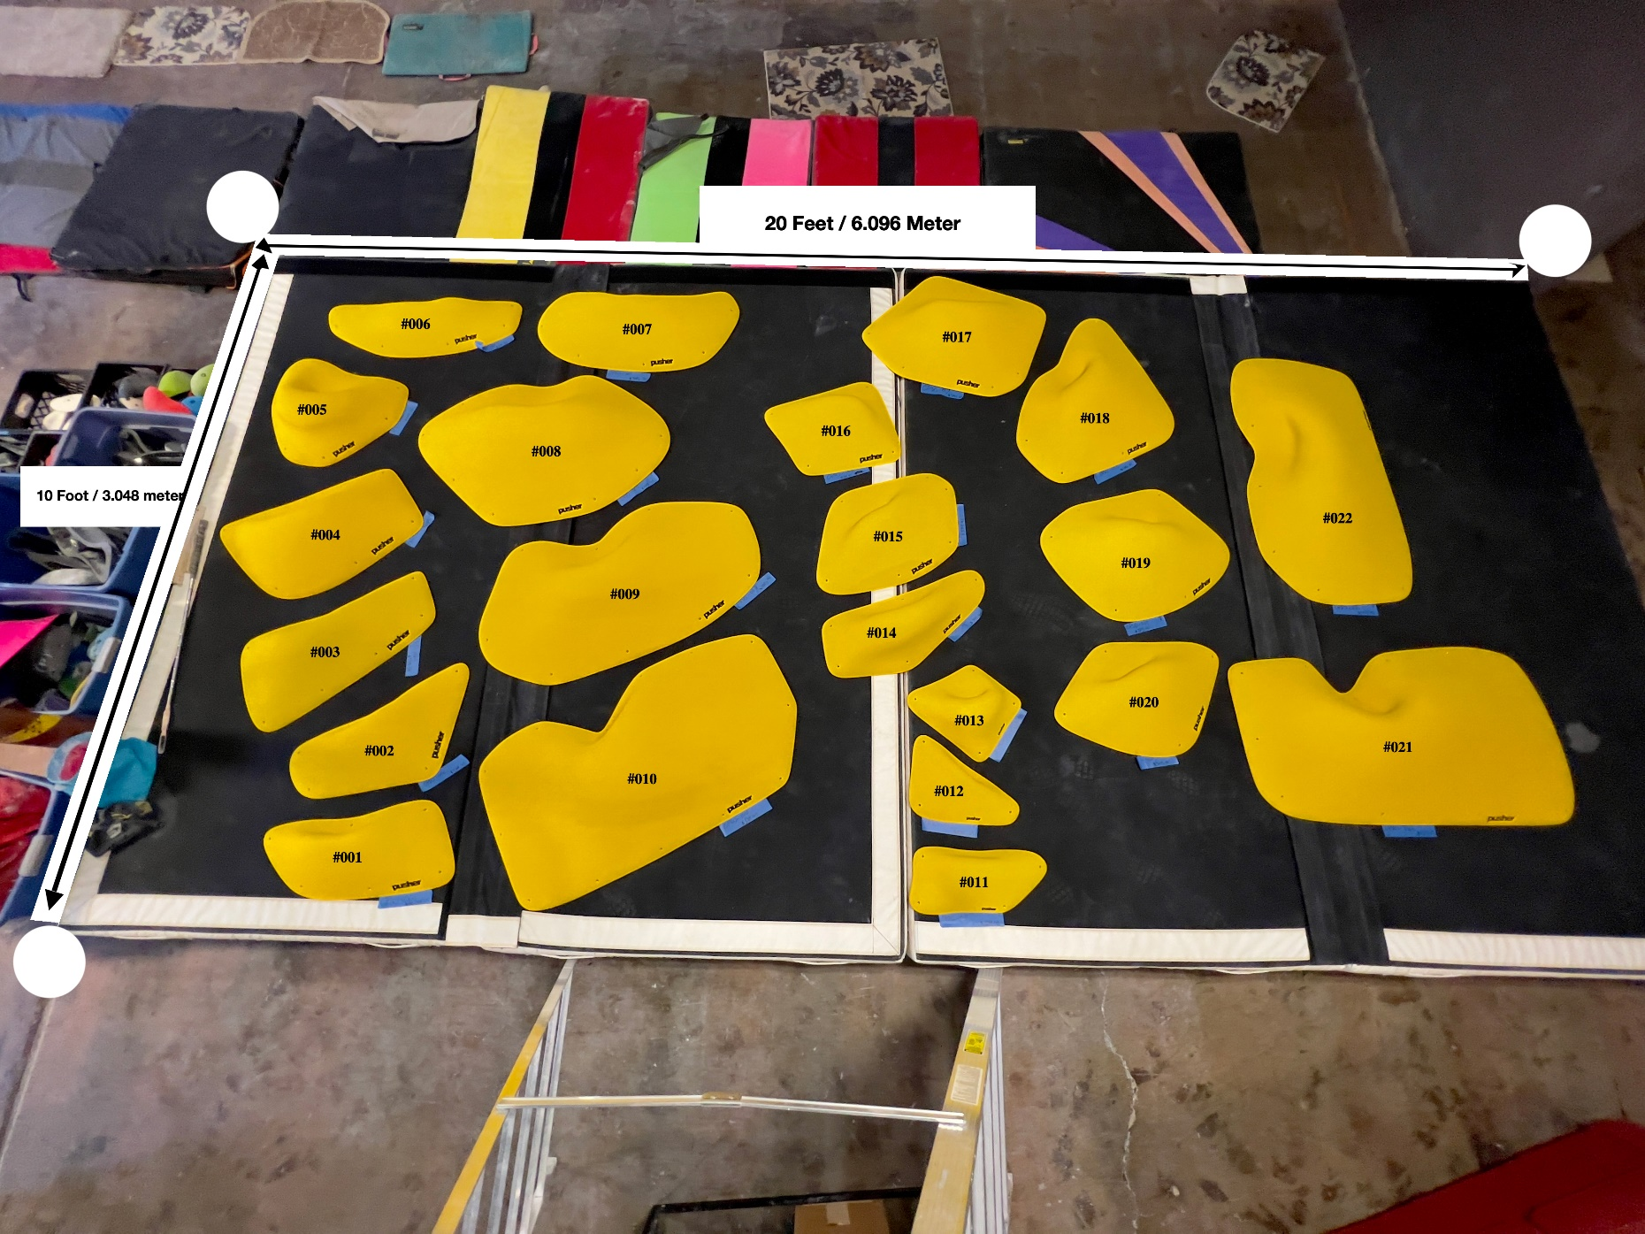
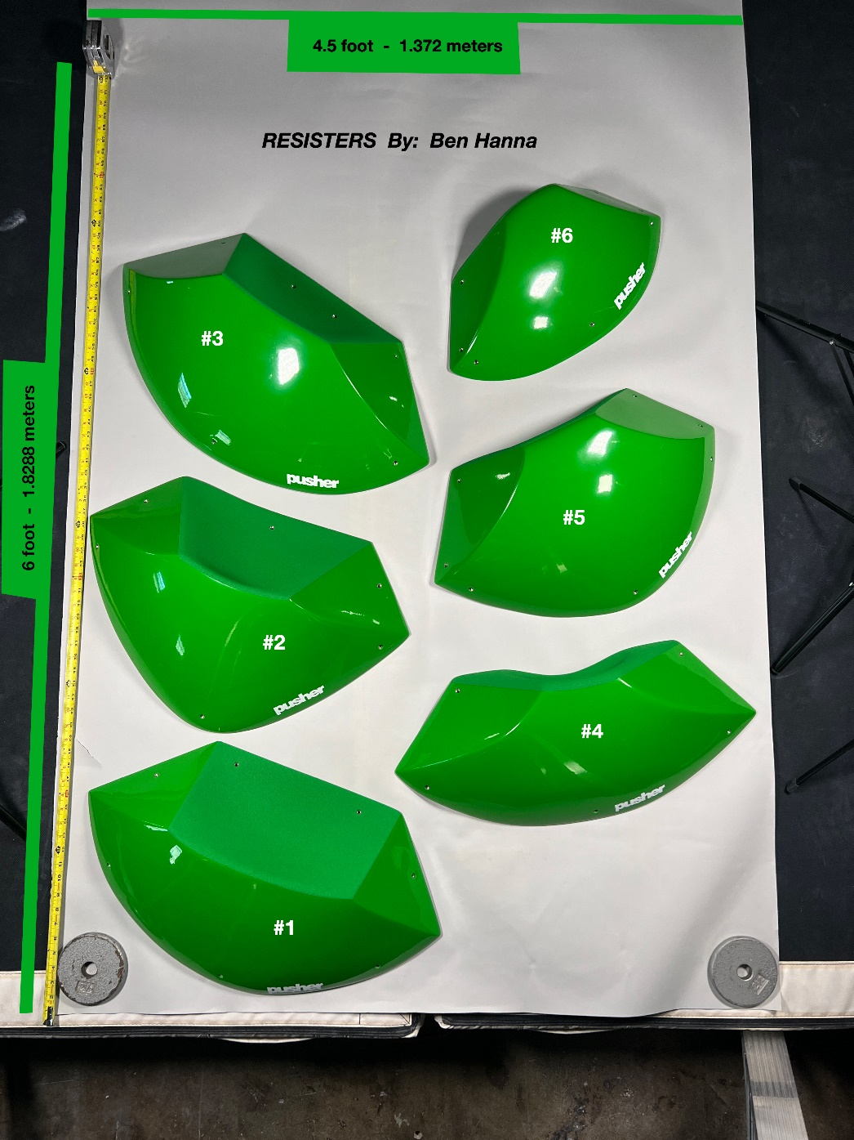
Click To Go To COMPX HOLDS
Click To Go To SUMMARY
T-Wall (Pusher Holds) |  | NOTE: Prices on This Sheet shown in USD. All Orders of Kastline Products on this Sheet Must be Paid Directly to PUSHER, LLC in US Dollars.

HOW TO COMPLETE THIS ORDER FORM:
VOLUMES: | Type the Number of Units you Want into the Cell that corresponds to COLOR you want.
 | You may order complete sets of All Dual Tex and/or All Full Tex Volumes in a single color below.
HOLDS: | Go to the HOLD BUY Sheet and enter what you want following the instructions provided
PU HOLDS: | Go to the KASTLINE PU HOLD BUY Sheet and enter what you want following the instructions
 | THEN, GO TO THE HOLDS BUY SHEET AND TYPE IN YOUR NAME AND 'SHIP TO' INFORMATION. EMAIL IT TO US.
ID # | Fiberglass Volumes | Description | Size | Quantity | Unit RETAIL |  | EXTENDED RETAIL AMOUNT |  | Silver Gray RAL 7001 | Zinc Yellow RAL 1018 | Traffic Yellow RAL 1023 | Fluoro Yellow RAL 1026 | Traffic Red RAL 3020 | Sky Blue RAL 5015 | Signal Blue RAL 5005 | Leaf Green RAL 6002 | Pure Green RAL 6037 | Jet Black RAL 9005 | Traffic White RAL 9016 | Fluoro Pink PMS 806C | Traffic Orange RAL 2009 | Pastel Orange RAL 2003 | Fluoro Orange RAL 2005 | Signal Violet RAL 4008 | Purple US PMS 267U | Tele-magenta RAL 4010

PSR0001-DT | GRP Dual Tex: OPUS - 001 | Sloper | XXL | 0 | $305.00 |  | $0.00
PSR0002-DT | GRP Dual Tex: OPUS - 002 | Jug | XXL | 0 | $307.70 |  | $0.00
PSR0003-DT | GRP Dual Tex: OPUS - 003 | Jug | XXL | 0 | $331.20 |  | $0.00
PSR0004-DT | GRP Dual Tex: OPUS - 004 | Sloper | XXL | 0 | $340.22 |  | $0.00
PSR0005-DT | GRP Dual Tex: OPUS - 005 | Pinch | XXL | 0 | $315.64 |  | $0.00
PSR0006-DT | GRP Dual Tex: OPUS - 006 | Jug | XXXL | 0 | $333.50 |  | $0.00
PSR0007-DT | GRP Dual Tex: OPUS - 007 | Jug | XXXL | 0 | $379.84 |  | $0.00
PSR0008-DT | GRP Dual Tex: OPUS - 008 | Jug | XXXL | 0 | $457.02 |  | $0.00
PSR0009-DT | GRP Dual Tex: OPUS - 009 | Sloper | XXXL | 0 | $461.08 |  | $0.00
PSR0010-DT | GRP Dual Tex: OPUS - 010 | Sloper | XXXL | 0 | $482.74 |  | $0.00
PSR0011-DT | GRP Dual Tex: OPUS - 011 | Edge | XL | 0 | $246.20 |  | $0.00
PSR0012-DT | GRP Dual Tex: OPUS - 012 | Edge | XL | 0 | $244.18 |  | $0.00
PSR0013-DT | GRP Dual Tex: OPUS - 013 | Pinch | XL | 0 | $252.22 |  | $0.00
PSR0014-DT | GRP Dual Tex: OPUS - 014 | Pinch | XXL | 0 | $320.56 |  | $0.00
PSR0015-DT | GRP Dual Tex: OPUS - 015 | Jug | XXL | 0 | $317.94 |  | $0.00
PSR0016-DT | GRP Dual Tex: OPUS - 016 | Jug | XL | 0 | $315.76 |  | $0.00
PSR0017-DT | GRP Dual Tex: OPUS - 017 | Jug | XXL | 0 | $378.52 |  | $0.00
PSR0018-DT | GRP Dual Tex: OPUS - 018 | Jug | XXL | 0 | $380.74 |  | $0.00
PSR0019-DT | GRP Dual Tex: OPUS - 019 | Jug | XXL | 0 | $367.48 |  | $0.00
PSR0020-DT | GRP Dual Tex: OPUS - 020 | Jug | XXL | 0 | $320.08 |  | $0.00
PSR0021-DT | GRP Dual Tex: OPUS - 021 | Jug | XXXL | 0 | $474.18 |  | $0.00
PSR0022-DT | GRP Dual Tex: OPUS - 022 | Jug | XXXL | 0 | $462.48 |  | $0.00
PSR0023-DT | GRP Dual Tex: RESISTERS - 01 | Sloper | XXL | 0 | $311.50 |  | $0.00
PSR0024-DT | GRP Dual Tex: RESISTERS - 02 | Sloper | XXL | 0 | $303.94 |  | $0.00
PSR0025-DT | GRP Dual Tex: RESISTERS - 03 | Sloper | XXL | 0 | $310.48 |  | $0.00
PSR0026-DT | GRP Dual Tex: RESISTERS - 04 | Jug | XXL | 0 | $312.74 |  | $0.00
PSR0027-DT | GRP Dual Tex: RESISTERS - 05 | Jug | XL | 0 | $314.90 |  | $0.00
PSR0028-DT | GRP Dual Tex: RESISTERS - 06 | Jug | L | 0 | $252.60 |  | $0.00
PSR0001-FT | GRP Full Tex: OPUS - 001 | Sloper | XXL | 0 | $255.00 |  | $0.00
PSR0002-FT | GRP Full Tex: OPUS - 002 | Jug | XXL | 0 | $257.70 |  | $0.00
PSR0003-FT | GRP Full Tex: OPUS - 003 | Jug | XXL | 0 | $281.20 |  | $0.00
PSR0004-FT | GRP Full Tex: OPUS - 004 | Sloper | XXL | 0 | $290.22 |  | $0.00
PSR0005-FT | GRP Full Tex: OPUS - 005 | Pinch | XXL | 0 | $265.64 |  | $0.00
PSR0006-FT | GRP Full Tex: OPUS - 006 | Jug | XXXL | 0 | $283.50 |  | $0.00
PSR0007-FT | GRP Full Tex: OPUS - 007 | Jug | XXXL | 0 | $329.84 |  | $0.00
PSR0008-FT | GRP Full Tex: OPUS - 008 | Jug | XXXL | 0 | $407.02 |  | $0.00
PSR0009-FT | GRP Full Tex: OPUS - 009 | Sloper | XXXL | 0 | $411.08 |  | $0.00
PSR0010-FT | GRP Full Tex: OPUS - 010 | Sloper | XXXL | 0 | $432.74 |  | $0.00
PSR0011-FT | GRP Full Tex: OPUS - 011 | Edge | XL | 0 | $196.20 |  | $0.00
PSR0012-FT | GRP Full Tex: OPUS - 012 | Edge | XL | 0 | $194.18 |  | $0.00
PSR0013-FT | GRP Full Tex: OPUS - 013 | Pinch | XL | 0 | $202.22 |  | $0.00
PSR0014-FT | GRP Full Tex: OPUS - 014 | Pinch | XXL | 0 | $270.56 |  | $0.00
PSR0015-FT | GRP Full Tex: OPUS - 015 | Jug | XXL | 0 | $267.94 |  | $0.00
PSR0016-FT | GRP Full Tex: OPUS - 016 | Jug | XL | 0 | $265.76 |  | $0.00
PSR0017-FT | GRP Full Tex: OPUS - 017 | Jug | XXL | 0 | $328.52 |  | $0.00
PSR0018-FT | GRP Full Tex: OPUS - 018 | Jug | XXL | 0 | $330.74 |  | $0.00
PSR0019-FT | GRP Full Tex: OPUS - 019 | Jug | XXL | 0 | $317.48 |  | $0.00
PSR0020-FT | GRP Full Tex: OPUS - 020 | Jug | XXL | 0 | $270.08 |  | $0.00
PSR0021-FT | GRP Full Tex: OPUS - 021 | Jug | XXXL | 0 | $424.18 |  | $0.00
PSR0022-FT | GRP Full Tex: OPUS - 022 | Jug | XXXL | 0 | $412.48 |  | $0.00

TOTAL ORDER QTY. and AMOUNT |  |  |  | 0 | $0.00 |  | $- |  | 0 | 0 | 0 | 0 | 0 | 0 | 0 | 0 | 0 | 0 | 0 | 0 | 0 | 0 | 0 | 0 | 0 | 0

E-Z ORDER
TO ORDER COMPLETE DUAL TEX VOLUME CATALOGUE |  |  | 28 | 0 | $9,600.44 |  | $0.00
Send me 1 of each of the 28 KASTLINE Dual Tex Volumes in Catalogue times the Quantity entered in row 66 |  |  |  |  |  | 0

TO ORDER COMPLETE FULL TEX VOLUME CATALOGUE |  |  | 22 | 0 | $6,694.28 |  | $0.00
Send me 1 of each of the 22 KASTLINE Full Tex Volumes in Catalogue times the Quantity entered in row 70 |  |  |  |  |  | 0

OPUS Series |  |  |  |  |  |  |  | RESISTERS Series

ORDER SUMMARY Sheet
Click To Go To COMPX HOLDS
Click To Go To KASTLINE FIBERGLASS
T-Wall (Pusher Holds)

COMPX HOLDS | TOTAL | RED | BLACK | SKY BLUE | ORANGE US 14-01 | FLUORO ORANGE | GREEN US 16-09 | GREEN 16-16 | FLUORO GREEN | PURPLE US 07-13 | SIGNAL VIOLET | BRIGHT YELLOW | WHITE | FLUORO PINK

Total Number Sets Ordered: (Standard + EZ Order Complete Sets) | 0 | 0 | 0 | 0 | 0 | 0 | 0 | 0 | 0 | 0 | 0 | 0 | 0 | 0
Total Number of Holds Ordered: | 0 | 0 | 0 | 0 | 0 | 0 | 0 | 0 | 0 | 0 | 0 | 0 | 0 | 0

KASTLINE VOLUMES | TOTAL | Silver Gray RAL 7001 | Zinc Yellow RAL 1018 | Traffic Yellow RAL 1023 | Fluoro Yellow RAL 1026 | Traffic Red RAL 3020 | Sky Blue RAL 5015 | Signal Blue RAL 5005 | Leaf Green RAL 6002 | Pure Green RAL 6037 | Jet Black RAL 9005 | Traffic White RAL 9016 | Fluoro Pink PMS 806C | Traffic Orange RAL 2009 | Pastel Orange RAL 2003 | Fluoro Orange RAL 2005 | Signal Violet RAL 4008 | Purple US PMS 267U | Tele-magenta RAL 4010

Total Number Fiberglass Volumes Ordered: (Standard + EZ Order Complete Sets) | 0 | 0 | 0 | 0 | 0 | 0 | 0 | 0 | 0 | 0 | 0 | 0 | 0 | 0 | 0 | 0 | 0 | 0 | 0

